Sheet1
2.1 1

2.2
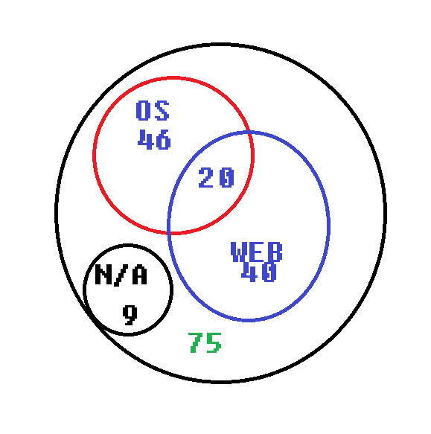

2.3
 | Ana | Bob | Charlie | Diana | Ebbe
Language | C# | JS | Python | SQL | Java
Floor | 2 | 1 | 3 | 4 | 5

